How to complete this audit
Thank you for completing the SEND Inclusion Audit 2016-17. This audit is vital in providing an overall picture of inclusion within Bristol Educational Establishments.

Who should complete this audit?
The SENDCO should lead in the completion of the SEND Inclusion Audit. There are sections and questions in this audit that are likely to require the input of others such as the Governor/ Trustee/ Management Committee member with responsibility for SEND, the Senior Leadership Team and the Designated Teacher for Children in Care.

Find out more about the this audits, including why you should complete it. (This link will open your internet browser.)
How to complete this audit
There are 12 sections to complete in this audit. In total there are 60 questions and two sections of data entry. To complete the question in this audit you will need to complete:
Rating (Column C) - In this column you will have a choice of three statements:
 | not started yet.
 | started or some elements completed.
 | in place and reviewed as necessary.
Click on the cell you want to fill and a grey arrow box will appear. Select from the list of statement the one which best describes where your school/setting is in its development. Once you have selected a statement a score will be automatically generated.

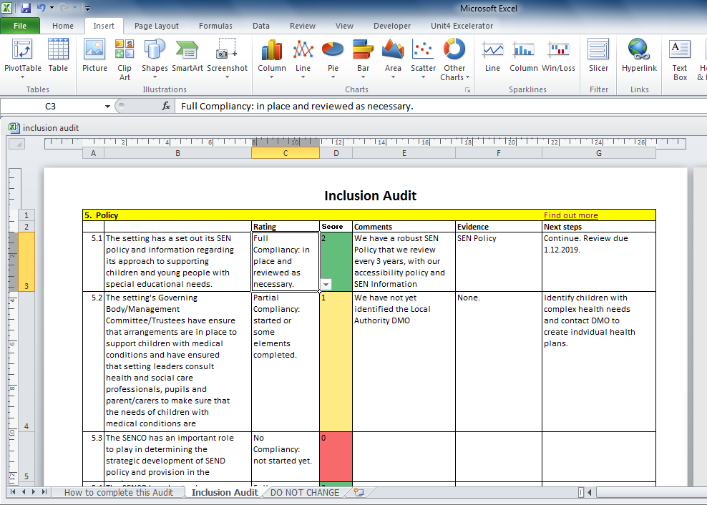

Comments/ Evidence/ Next Steps(Column E) - In this box you can add information that explains why you have given your setting the rating you have, include any evidence record what actions you might want to take to improve your rating & score or maintain it.
Find out about how this audit is scored.
Read a summary of your scores in this audit so far.
If you are having problems completing this audit please contact nakita.singh@bristol.gov.uk
This audit should be completed and returned to nakita.singh@bristol.gov.uk by the end of term 4 (15th May 2017).

