Centrally Employed Teachers 202
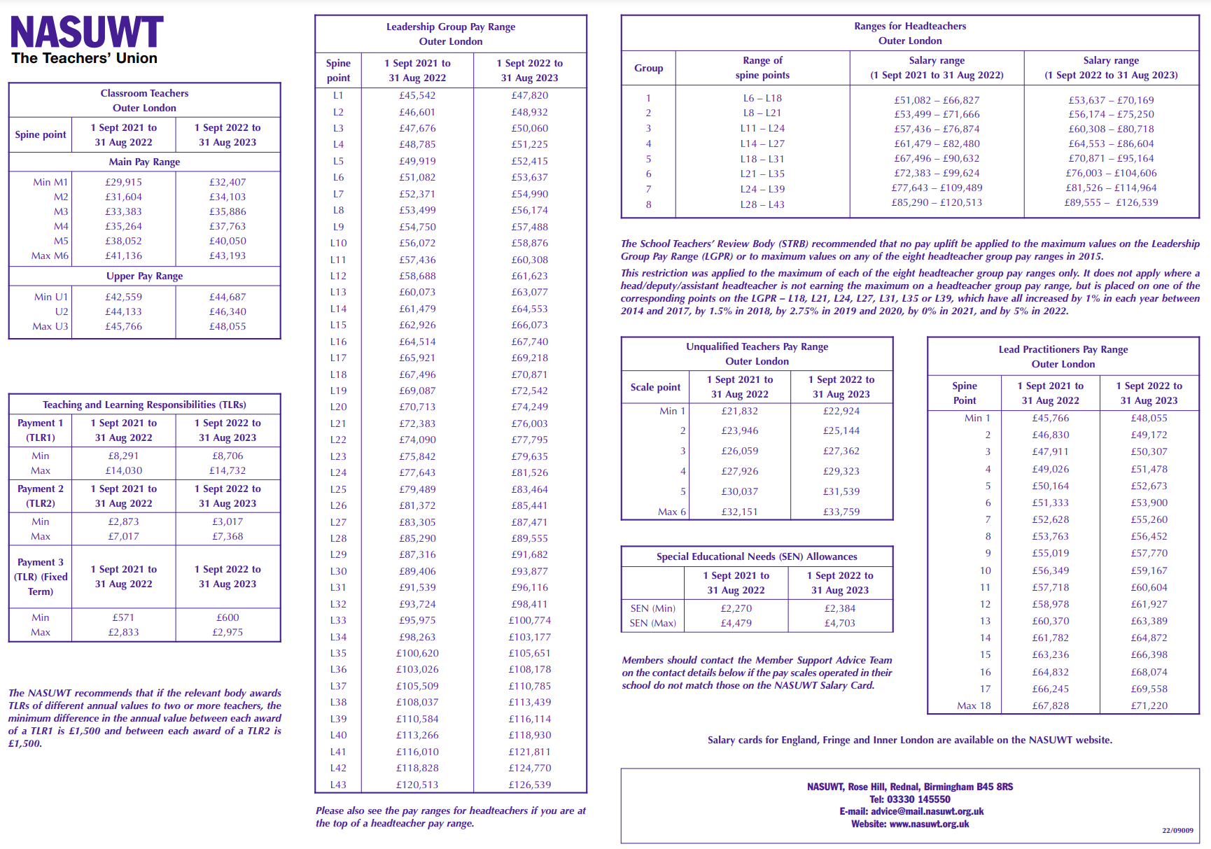
1 SEPT 2022

