Teachers Sept 2022
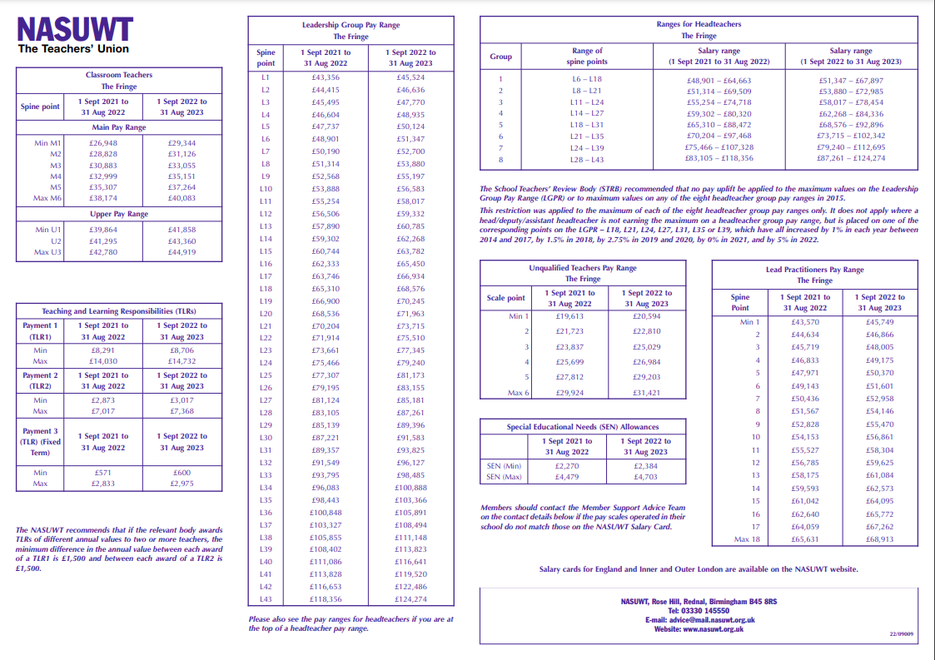
2022-09-01

